Dashboard

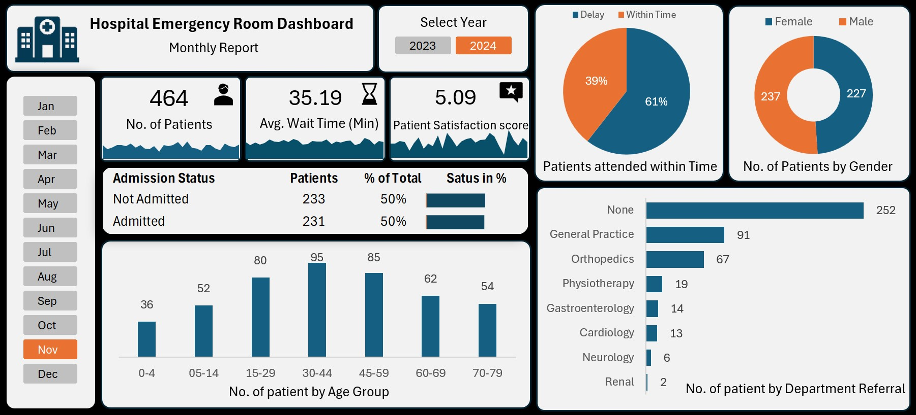



Hospital Emergency Room Dashboard

9216
35.26
4.99

Patient satisfaction score
No.of Patients
Average Wait Time

Dashboard1
Hospital Emergency Room Dashboard

Monthly Report

9216
35.26
4.99

Patient Satisfaction score

No. of Patients
Average Wait Time

